Screenshots
ID | Screenshot
15

23 - Expected Behavior

23 - Errored Behavior

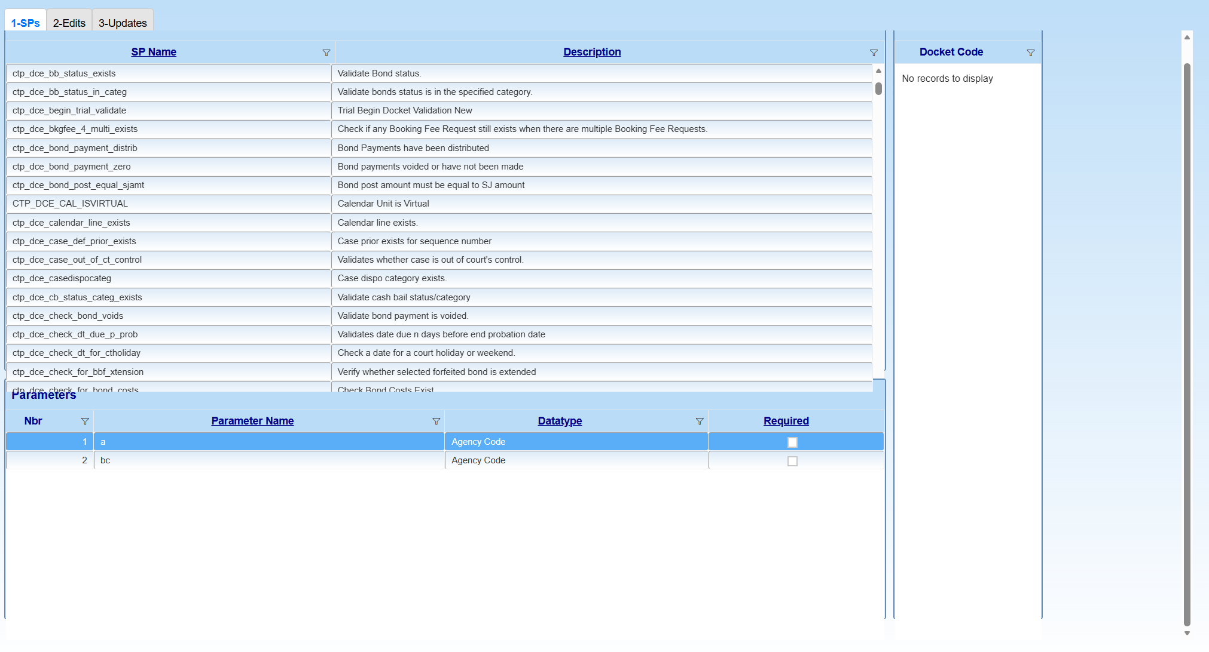
23 - Fixed Behavior |  | NV - This is caused by GridHeight 100%, setting an actual PX value fixes this...

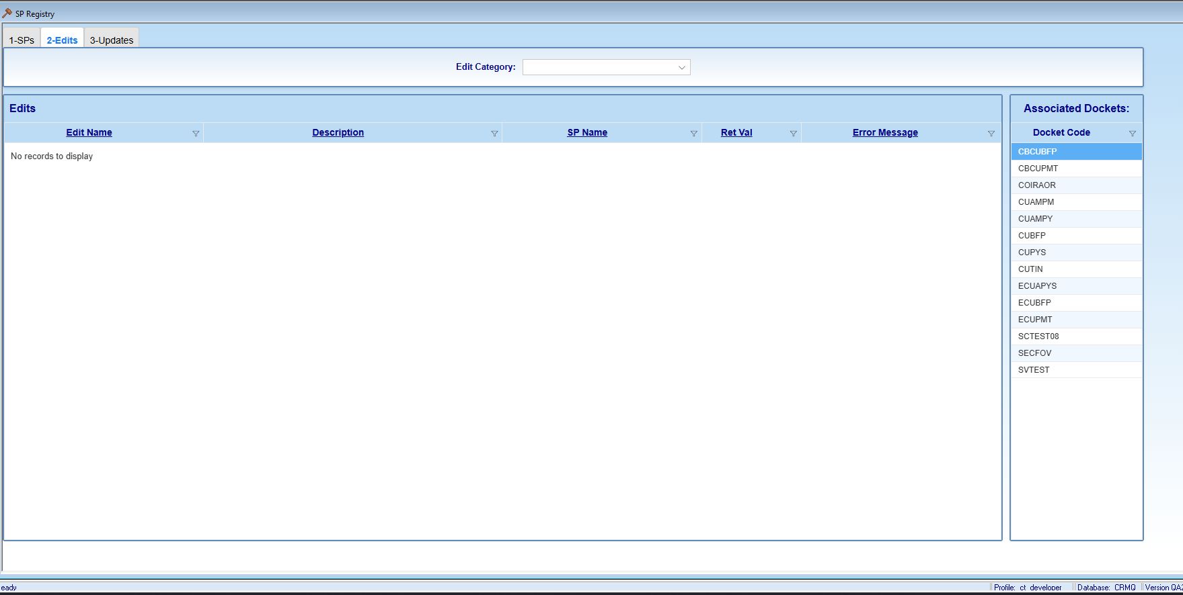
29 - Errored Behavior

31

35
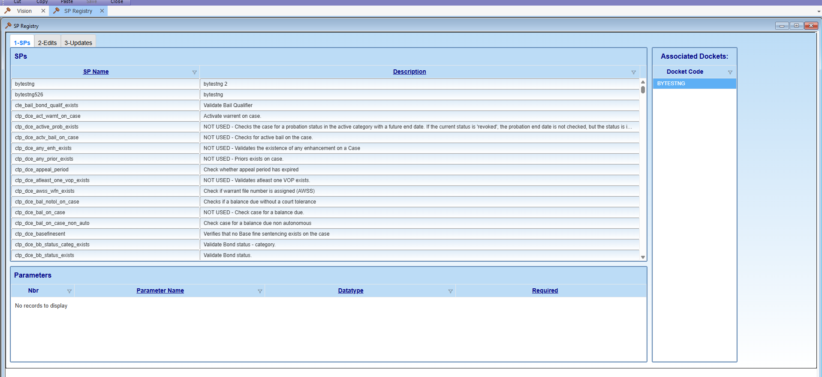

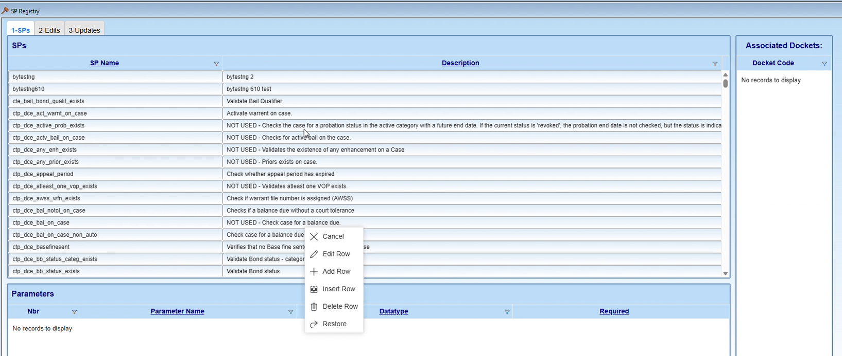
38

